Sheet1
 | Spark Components

 | Apache Spark’s Distributed Execution

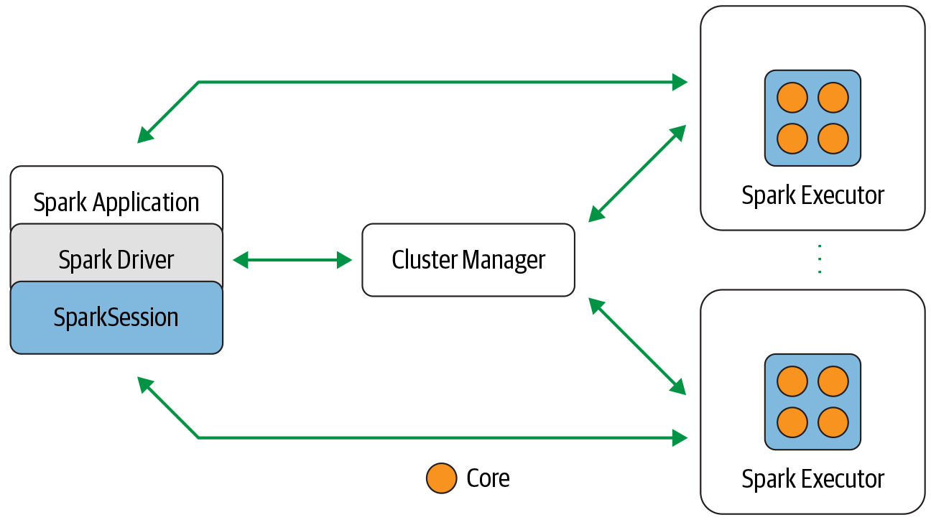

 | DISTRIBUTED DATA AND PARTITIONS

 | While the data is distributed as partitions across the physical cluster, Spark treats each partition as a high-level logical data abstractioni.e. DataFrame
 | When Possible ,each Spark executor is preferably allocated a task that requires it to read the partition closest to it in the network, observing data locality.
 | Partitioning allows for efficient parallelism and enables executors to process its own local data, minimizing network bandwidth..

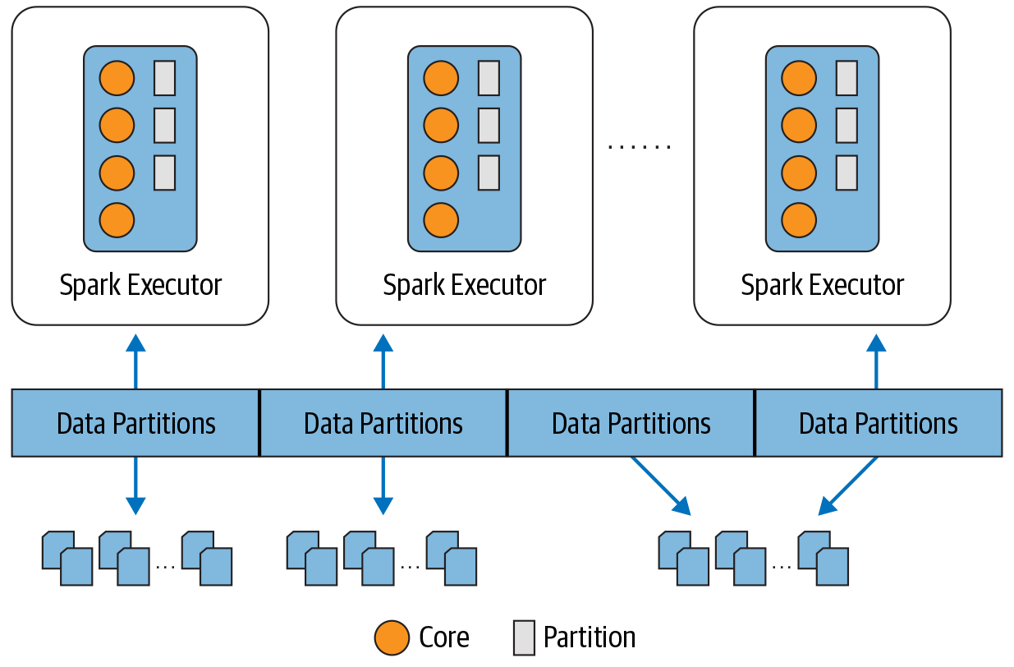
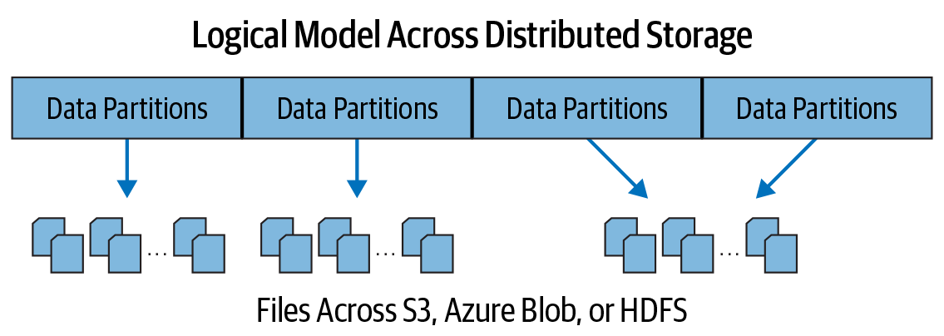

 | The Anatomy of a Spark Job

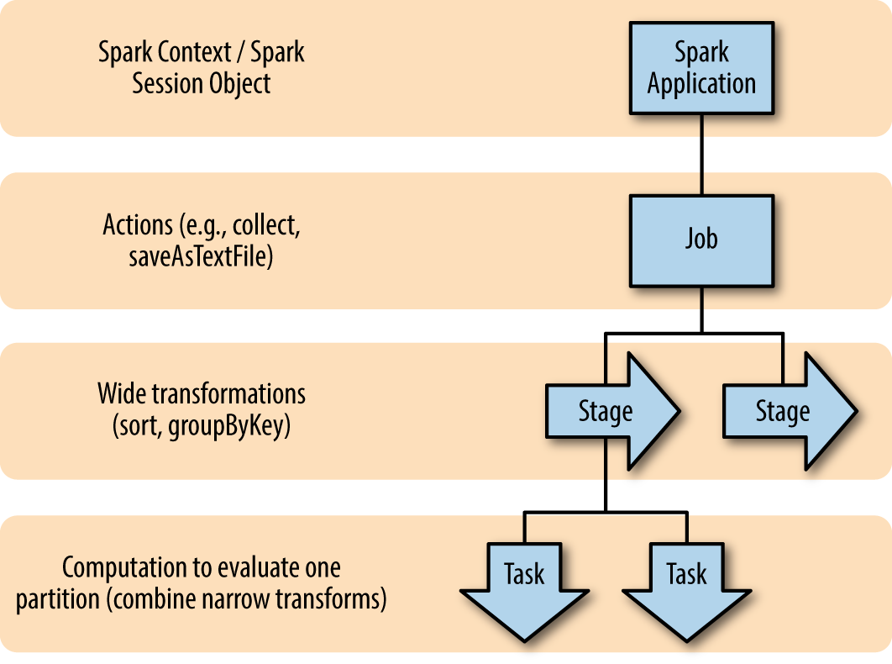
Jobs | A Spark job is the highest element of Spark’s execution hierarchy action brings data out of the RDD world of Spark into some other storage system
Stages | Stage represents shuffle dependency of wide transformation,such as sort or groupByKey A new stage begins whenever network communication between workers is required
Tasks | The task is the smallest unit in the execution hierarchy and represents local computation. All of the tasks in one stage execute the same code on a different piece of the data. One task cannot be executed on more than one executor. The number of tasks per stage corresponds to the number of partitions in the output RDD of that stage.

 | Spark Features, RDD, DataFrame and DataSets

RDD | RDDs are a representation of lazily evaluated, statically typed, distributed collections. RDDs have a number of predefined “coarse-grained” transformations (functions that are applied to the entire dataset), such as map, join, and reduce to manipulate the distributed datasets, as well as I/O functionality to read and write data between the distributed storage system and the Spark JVMs.
Lazy Evaluation | Spark does not begin computing the partitions until an action is called. Action is spark operation which returns other then RDD. i.e. reading data out of spark Spark evaluates an action by working backward to define the series of steps it has to take to produce each object in the final distributed dataset (each partition). Then, using this series of steps, called the execution plan, the scheduler computes the missing partitions for each stage until it computes the result.
Fault Tolerance | RDD itself contains all the dependency information needed to replicate each of its partitions. Thus, if a partition is lost, the RDD has enough information about its lineage to recompute it, and that computation can be parallelized to make recovery faster.
In-Memory Persistence | Primary reason for spark's high performance is due to spark's use of in-memory persistance. Rather than writing to disk between each pass through the data, Spark has the option of keeping the data on the executors loaded into memory. Spark’s performance advantage over MapReduce is greatest in use cases involving repeated computations
DataFrame & Dataset | DataFrames and Datasets represent distributed collections with additional schema information which enables : - more efficient storage layer (Tungsten). - Better optimization by undersanding logical code and data Data - Shines especially for use with more RDD-like functional operations. The schema information, and the optimizations it enables, is one of the core differences between Spark SQL and core Spark

 | Type of Joins

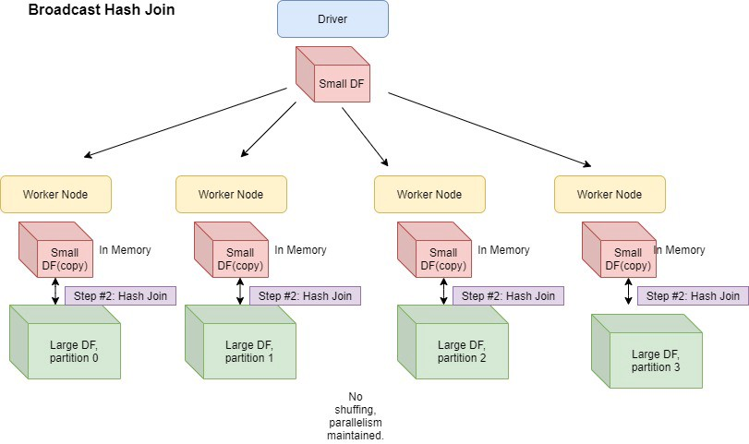
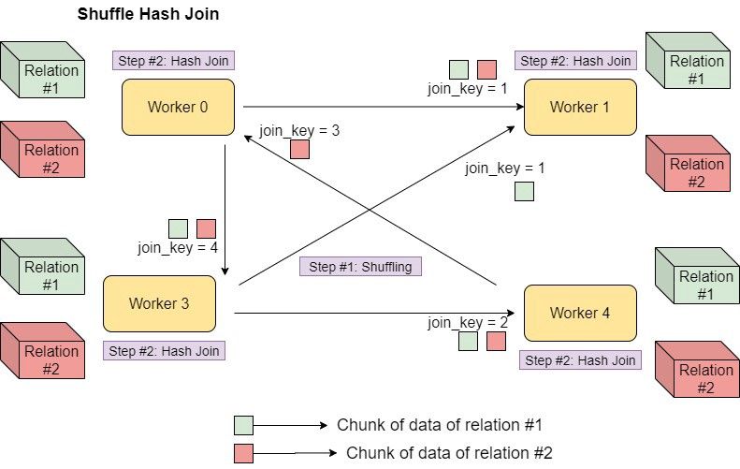

 | Narrow(A) Vs Wide(B) Transformation

 | Spark Explain Plan

